Economist Graphic - The Good Ch
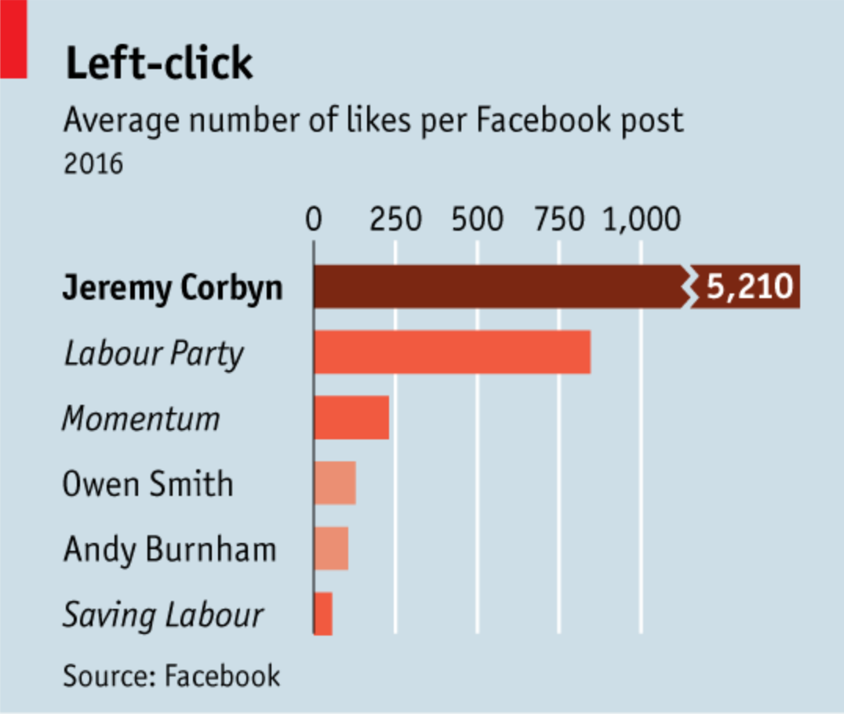
 |  | Your name | Jacelyn Szkrybalo

 |  | For this graphic, what do you see first? | The first thing I see is the highlighted data- a wide, dark bar that tells me Jeremy Corbyn has received over 5,000 likes per Facebook post on average in 2016. I also notice the title; Left Click. I'm not sure what it means.

 |  | Make a note of the first idea that forms in your mind and then search for more. | It's strange that posts for individuals are presented alongside organizations. As someone with limited to no knowledge of this party system, it's not immediately clear to me which individuals are associated with which organization (if they are). It's clear that Jeremy Corbyn is the "winner" in terms of average likes per post, but I wonder if the right competitors were selected. Is some important information being excluded? How does the labor party stack up against other parties? Is a catchy play on words the best choice for a title?

 | Article: https://www.economist.com/britain/2016/08/13/the-metamorphosis

 | What I like | What I dislike | What I wish I saw
 | I like that the story is very clear: Jeremy Corbyn's posts on Facebook far outperform other members of the party, and the posts on his personal page appear even more popular than his party's page. I also like the color scheme, even though it's not completely ideal. I like color palettes that use different hues of the same color. I especially like that the most important bar is the darkest one. I like the use of bold and italics to draw the eye and distinguish between individuals and organizations. | I don't really like any bar chart that uses a break to indicate a data point past the confines of the chart. But it works better here than I've seen it before. I don't like how the vertical axes are labelled. The text is large and kind of squished. I would prefer all the data points were labelled, with no axis label. | I wish I saw the hard numbers of the other pages' average likes per post. I wish I saw other data to make the comparison stronger.

 | What are three things you'd change, and why?
 | I would change... | because....
 | Data labels for the non-Jeremy Corbyn data points | Especially since the scale is not consistent (because of the break), it's not enough to compare the sizes of the bars. I need numbers for in-depth comparison.
 | Gridlines and horizontal axis labels | If I label all the data points, I don't need the clunky axis labels.
 | The scale of the horizontal axis | Even if we have to use a break to illustrate the data, I think a slight shift to make the Jeremy Corbyn data larger compared to the others would be beneficial.

References: | Berinato, S. (2016). Good charts: The HBR guide to making smarter, more persuasive data visualizations.
 | “The Metamorphosis.” The Economist, August 13, 2016. https://www.economist.com/britain/2016/08/13/the-metamorphosis.

The Good Charts Matrix
Name of visualization | Design execution (-10 is poor, 10 is excellent) | Contextual awareness (-10 is low, 10 is high)
Economist | 0 | 4

Contextual awareness = what am I trying to say, to whom, and where?
Design execution = How well is this chart constructed?

The Good Charts Matrix

Reference: Berinato, S. (2016). Good charts: The HBR guide to making smarter, more persuasive data visualizations.

